2b
2b - Sum Function Options

Excel has an AutoSum function which can automatically perform several calculations for you.

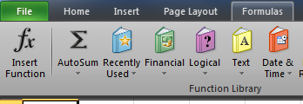
 | Practice
PC | Date | Product | Order # | Price Per Unit | Quantity | Subtotal | Tax | Total
 | 2014-07-01 | Electrical Misc | 1001001 | 206.96 | 4 | 827.84 | 49.67 | 877.51
 | 2014-07-01 | Lumber | 1001002 | 41.59 | 2 | 83.18 | 4.99 | 88.17
 | 2014-07-01 | Plumbing Misc. | 1001003 | 60.26 | 3 | 180.77 | 10.85 | 191.61
 | 2014-07-01 | Screwdriver | 1001008 | 378.33 | 2 | 756.67 | 45.40 | 802.06
 | 2014-07-23 | Hammer | 1001281 | 162.45 | 2 | 324.90 | 19.49 | 344.39

 |  |  | Count | Average |  | Sum | Max | Min

Mac

2c
 | 2c - Sorting

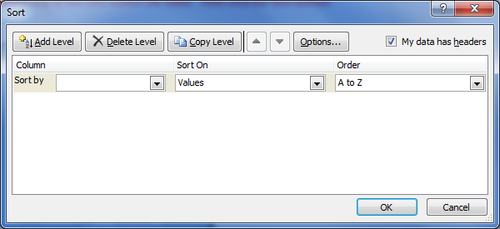
 | Sorting lets you organize large amounts of data easily
 | When you select this button, Excel will automatically try and determine the selection for your data. It is helpful to have headers for all of your data before using sort.

 | PC

 | Mac

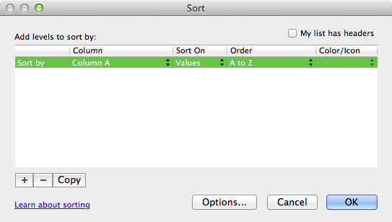
CUSTOM SORT

 | Practice
1 | The data below is all mixed up and out of order. We can easily put it back into order by Sorting.
 | Try it now. Select any of the cells within the table. Then click the Sort button.

 | In this case we want to sort by State, so select State from the dropdown menu. (If you do not see "State" as an option, please make sure to check the "My data has headers" box.
 | After selecting State, you can choose to sort from A to Z, or Z to A. Let's leave it at A to Z for now, and hit OK.

 | State | Year | # Sales | $ per sale | Total $
 | AZ | 2012 | 110 | $11.15 | $1,226.50
 | AZ | 2013 | 415 | $9.97 | $4,137.55
 | AZ Total |  |  |  | $5,364.05
 | CA | 2012 | 345 | $8.54 | $2,946.30
 | CA | 2013 | 75 | $7.85 | $588.75
 | CA Total |  |  |  | $3,535.05
 | FL | 2012 | 415 | $9.97 | $4,137.55
 | FL | 2013 | 150 | $15.45 | $2,317.50
 | FL Total |  |  |  | $6,455.05
 | NJ | 2012 | 75 | $7.85 | $588.75
 | NJ | 2013 | 65 | $13.25 | $861.25
 | NJ Total |  |  |  | $1,450.00
 | NY | 2013 | 65 | $13.25 | $861.25
 | NY | 2012 | 150 | $15.45 | $2,317.50
 | NY Total |  |  |  | $3,178.75
 | PA | 2013 | 45 | $8.50 | $382.50
 | PA | 2012 | 65 | $13.25 | $861.25
 | PA Total |  |  |  | $1,243.75
 | SC | 2013 | 370 | $10.99 | $4,066.30
 | SC | 2012 | 45 | $8.50 | $382.50
 | SC Total |  |  |  | $4,448.80
 | TX | 2012 | 370 | $10.99 | $4,066.30
 | TX | 2013 | 25 | $14.58 | $364.50
 | TX Total |  |  |  | $4,430.80
 | VT | 2012 | 25 | $14.58 | $364.50
 | VT | 2013 | 415 | $9.97 | $4,137.55
 | VT Total |  |  |  | $4,502.05
 | Grand Total |  |  |  | $34,608.30

2 | Now your table should be sorted by state, but you'll notice some states have 2012 listed first and some have 2013 listed first. What if you want to sort by state first, then by year?

 | All you have to do is select your first sorting option, then click the Add Level button (on a PC) or the + sign (on a Mac) and select your second sorting option.

 | Try it now, lets try sorting the table above by Year first, then by # of Sales.

 | You can sort by as many levels as you would like in order to organize your data to your needs.

2d
 | 2d - Subtotals

 | Subtotals are another way to organize large selections of data.
 | When you select the Subtotal function, Excel will automatically try and determine the selection for your data. It is helpful to have headers for all of your data before using Subtotal.
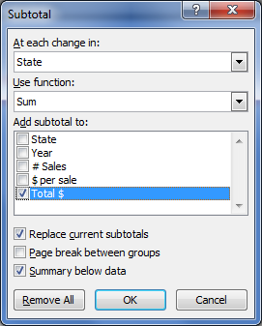
PROTIP:
 | Make sure you Sort your data before using Subtotals. (for info on Sorting, please see tab 6h)

 | PC

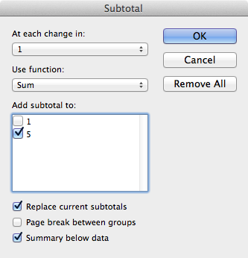

 | Mac

 | Practice
1 | The data below contains multiple entries for each state. What if we wanted to see the total Sales for each state?
 | Try it now. Select any of the cells within the table. Then click the Subtotal button.

 | In this case we want to Subtotal the Total $ by State, so the default settings are fine. However you may need to adjust them in other scenarios.
 | After selecting State, you can choose to sort from A to Z, or Z to A. Let's leave it at A to Z for now, and hit OK.

 | State | Year | # Sales | $ per sale | Total $ | After Subtotaling, you can select the Grouping buttons (shown below) to expand or minimize each section.
 | AZ | 2012 | 110 | $11.15 | $1,226.50
 | AZ | 2013 | 415 | $9.97 | $4,137.55
 | CA | 2012 | 345 | $8.54 | $2,946.30
 | CA | 2013 | 75 | $7.85 | $588.75
 | FL | 2012 | 415 | $9.97 | $4,137.55
 | FL | 2013 | 150 | $15.45 | $2,317.50
 | NJ | 2012 | 75 | $7.85 | $588.75
 | NJ | 2013 | 65 | $13.25 | $861.25
 | NY | 2012 | 150 | $15.45 | $2,317.50
 | NY | 2013 | 65 | $13.25 | $861.25
 | PA | 2012 | 65 | $13.25 | $861.25
 | PA | 2013 | 45 | $8.50 | $382.50
 | SC | 2012 | 45 | $8.50 | $382.50
 | SC | 2013 | 370 | $10.99 | $4,066.30
 | TX | 2012 | 370 | $10.99 | $4,066.30
 | TX | 2013 | 25 | $14.58 | $364.50
 | VT | 2012 | 25 | $14.58 | $364.50
 | VT | 2013 | 415 | $9.97 | $4,137.55

2f
 | 2f - Data Validation

 | Data Validation is a way to restrict what values can be entered into a cell.
 | The most common use for this function however, is to create a dropdown list.

 | North | North
 |  | South
 |  | East
 |  | West

 | The green cell above has a dropdown list applied to it. If you click on the cell, you should see an arrow appear.
 | Selecting this arrow will let you choose from the options in the list.
 | Try it now, and see how it works.

1 | To create the dropdown list, you will first need to have a list of items somewhere on the page. For this example, use the following list of months.

 | January
 | February
 | March
 | April
 | May
 | June
 | July
 | August
 | September
 | October
 | November
 | December

2 | Then select the cell where you want the dropdown list to appear. For this example, use the green cell below.

 | Month
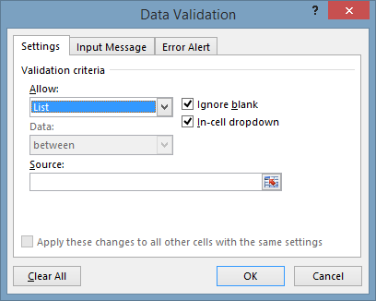

3 | Then select the data validation function, and choose to Allow a List.
 | Then select the list on your worksheet, and hit OK.

PC

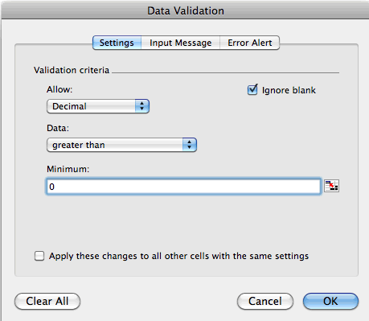
Mac

6a
 | 6a - Inserting Basic Charts

 | Charts can be a great way to add a visual representation to your data
 | However if they are used incorrectly, they can just make it more confusing!

 | PC

 | Mac

 | Practice
1 | You can highlight the data you want to use first, then select the chart type. Excel will automatically attempt to fit the data into the chart.
 | In the example below, we highlighted the entire table (including the headers) and selected a column chart

 | Try it now. Select the entire table below, then choose the Column chart and select the first style in the top-left Your chart should look like the one below.

 | Table A
 | State | # Sales
 | AZ | 110
 | CA | 345
 | FL | 415
 | NJ | 75
 | Grand Total

2 | After you create the chart, you have numerous formatting options to choose from. The charts below all are 2-d column charts with the same data, but you may prefer one over the others.
 | There are too many formatting options to cover as part of this course, however I want you to see the different styles you have available.

3 | Changing the Chart Type
 | Beyond the different styles, you can also change the chart type to one of many different default settings.

 | Below are some examples of the exact same data in different chart types.
 | Feel free to test out different types to see what you like.

PROTIP:
 | You may notice that when you click on the chart, it selects different pieces of the chart (depending on where you click).
 | Try to click on a blank section to select the entire chart
Click Here
Not Here

6b
6b - Inserting multi-series charts

Charts with more than one series may require an extra step

PC

Mac

Practice

Highlighting the entire table below and inserting a chart may not work as intended. Try it now.

Table A
State | 2011 | 2012 | 2013 | 2014
AZ | 210 | 289 | 205 | 238
CA | 345 | 355 | 354 | 350
FL | 415 | 397 | 374 | 320
NJ | 375 | 385 | 315 | 425
Grand Total | 3,356 | 3,438 | 3,261 | 3,347

Adding a series to a chart

Table B
State | 2011 | 2012 | 2013 | 2014
AZ | 210 | 289 | 205 | 238
CA | 345 | 355 | 354 | 350
FL | 415 | 397 | 374 | 320
NJ | 375 | 385 | 315 | 425
Grand Total | 3,356 | 3,438 | 3,261 | 3,347

6c
 | 6c - Trendlines

 | Trendlines can add a helpful visual reference in your charts

 | To Add a trendline, first you will need to select one of the data series within your chart
 | # Sales
AZ | 110
CA | 345
FL | 415
NJ | 75
Click Here
Not Here

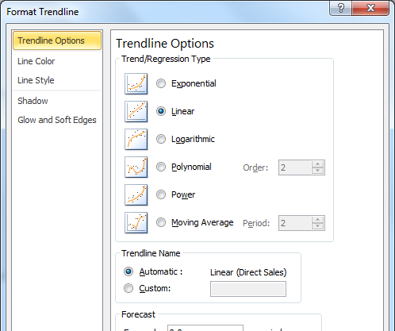
PC | Right-Click on the data series (one of the columns in the chart)
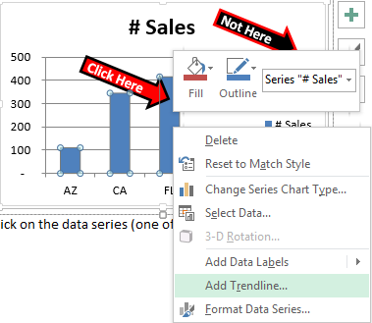

 |  |  |  | PROTIP:
 |  |  |  | You can use the Forecast section to automatically project a forecast using the trendline. (Some types of trendlines don't allow this option).

Mac

1 | The chart below has a "Moving Average" trendline. There are several different types of trendlines however
 | Click this Link - For more information about how to choose the correct trendline for your data.

 | Table A
 | Year | Direct Sales
 | 2008 | 150
 | 2009 | 180
 | 2010 | 220
 | 2011 | 300
 | 2012 | 310
 | 2013 | 345
 | 2014 | 415
 | 2015 | 410

 | Practice
2 | Try choosing the right trendline for the data

 | Gas Mileage | Horse Power (HP)
 | 26 | 200
 | 22 | 190
 | 26 | 220
 | 34 | 140
 | 24 | 190
 | 36 | 130
 | 21 | 250
 | 15 | 325
 | 30 | 150
 | 32 | 155
 | 22 | 240
 | 35 | 125
 | 28 | 200
 | 25 | 220
 | 18 | 275

 | Quantity | Price
 | 1200 | 2
 | 1000 | 4
 | 800 | 6
 | 600 | 8
 | 500 | 10
 | 400 | 12
 | 300 | 14
 | 250 | 16
 | 200 | 18
 | 180 | 20
 | 150 | 22
 | 140 | 24
 | 120 | 26
 | 100 | 28
 | 75 | 30

 |  |  | This time try forecasting 2 periods into the future.

 | Year | Sales
 | 2008 | 55
 | 2009 | 57
 | 2010 | 65
 | 2011 | 80
 | 2012 | 135
 | 2013 | 190
 | 2014 | 250
 | 2015 | 325

6d
 | 6d - Sparklines

 | Newer versions of Excel have the functionality of adding Sparklines.
 | Sparklines are almost like mini-charts which let you add visual representation of data directly within cells.

 | PC

 | Mac

1 | Win-Loss
 | The Win-Loss sparkline lets you add a visual representation of positive and negative values. However it doesn't show the magnitude of the value.

 | Look at the table below. January is 110, and May is only 8, however they both have the same size green bar.
 | Therefore this shows wins and losses, but not the size of the win or loss.

 | Table A | Profit
 | State | Jan | Feb | Mar | Apr | May | Jun | Jul | Aug | Sep | Oct | Nov | Dec
 | AZ | 110 | -50 | 120 | 67 | 8 | 8 | -18 | 9 | -1 | 12 | 123 | 233

 | Start by entering your data horizontally (such as the table on the right)

 | Then highlight the data you want to use (see how all the monthly data is selected to the right)
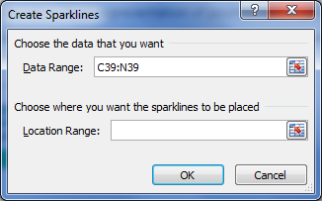
a | Next, select the Win Loss Sparkline, and a popup box will appear.
b | The Data Range should already be selected, if not you can re-select the data.
c | Then click on the Location Range field, and now you can select where to place the sparklines.
d | You can select to have all of the sparklines in one cell, or several cells. In the example above we selected several cells so that the wins and losses could be shown in the same column as the month.

 | Practice | Try it now. Select the Jan-Dec data below (highlight the 110 through 233)
 |  | Select the Win-Loss Sparkline
 |  | For the Location Range, select the range of cells directly under the data, and hit OK.

 | Table B | Profit
 | State | Jan | Feb | Mar | Apr | May | Jun | Jul | Aug | Sep | Oct | Nov | Dec
 | AZ | 110 | -50 | 120 | 67 | 8 | 8 | -18 | 9 | -1 | 12 | 123 | 233

PROTIP:
 | On a Mac, you may need to merge the cells where the sparkline will be placed. (i.e. merge cells C52:N52 above)

6f
 | 6f - Multi-axis charts

1 | It is possible to chart along two different axes in one chart
 | The chart below shows total sales in the blue columns, and it shows % growth in the black lines.
 | The blue columns correspond to the left axis which shows total sales dollars. The growth corresponds to the right axis which shows % growth.

 | Direct Sales | % growth
2008 | $110
2009 | $120 | 9%
2010 | $122 | 2%
2011 | $135 | 11%
2012 | $145 | 7%
2013 | $155 | 7%
2014 | $171 | 10%
2015 | $180 | 5%
 | Table A |  |  | Chart A
 | Year | Direct Sales | % growth
 | 2008 | $110
 | 2009 | $120 | 9%
 | 2010 | $122 | 2%
 | 2011 | $135 | 11%
 | 2012 | $145 | 7%
 | 2013 | $155 | 7%
 | 2014 | $171 | 10%
 | 2015 | $180 | 5%

2 | Lets re-create this effect
 | You'll notice that you can barely see the %growth in the chart below. That is because the percentage values are too small to be shown on this axis.

 | Direct Sales | % growth
2008 | $110
2009 | $120 | 9%
2010 | $122 | 2%
2011 | $135 | 11%
2012 | $145 | 7%
2013 | $155 | 7%
2014 | $171 | 10%
2015 | $180 | 5%
 | Table B |  |  | Chart B
 | Year | Direct Sales | % growth
 | 2008 | $110
 | 2009 | $120 | 9%
 | 2010 | $122 | 2%
 | 2011 | $135 | 11%
 | 2012 | $145 | 7%
 | 2013 | $155 | 7%
 | 2014 | $171 | 10%
 | 2015 | $180 | 5%

 | A) Start by selecting the chart above. When you select it, you'll see a few new options show up on your ribbon.
 | Under Chart Tools, select "Format"

 | B) After you select "Format", you will see the following options appear.
 | Click on the dropdown box, and select "Series % growth"
 | (hint: you can also click on the series in the chart, but it is hard to do this since the series is so small.)

 | PC
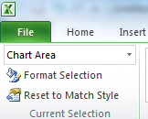

 | MAC

1

2

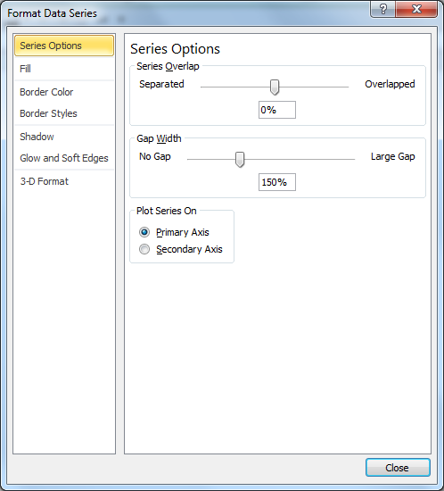
 | C) After you select "Series % growth", you will see the popup window below.
 | Select the Seconday Axis
PC |  |  |  |  |  |  | MAC
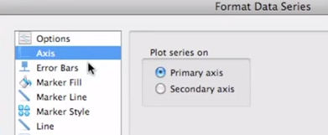

 | D) After you do this, you will probably see something that looks like the chart below. You're halfway there! Now you just need to change the chart type

 | Direct Sales | % growth
2008 | $110
2009 | $120 | 9%
2010 | $122 | 2%
2011 | $135 | 11%
2012 | $145 | 7%
2013 | $155 | 7%
2014 | $171 | 10%
2015 | $180 | 5%

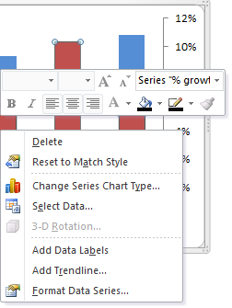
 | E) Right-click on one of the red columns, and select "Change series chart type"
PC

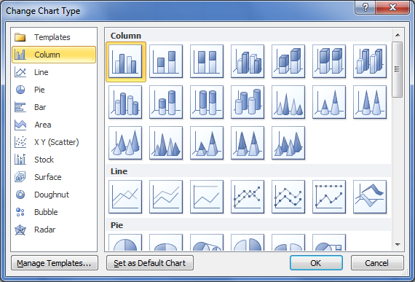
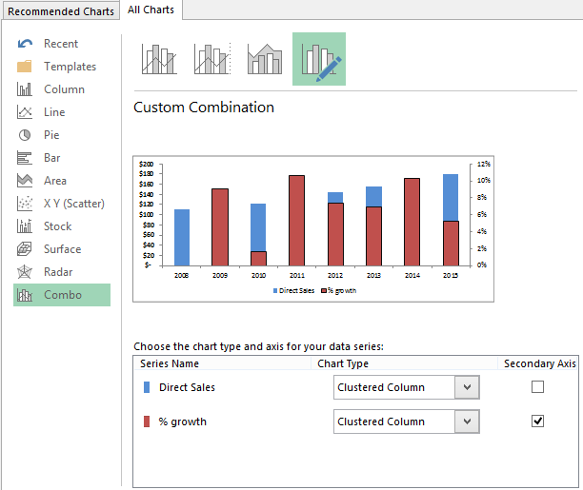
 |  |  |  |  | Then you will see the popup window below. Select a line-style and click OK |  |  | Excel 2013
 |  |  |  |  |  | Excel 2010

MAC

6g
6g - Dynamic Charts

Table A
State | 2011 | 2012 | 2013 | 2014
AZ | 210 | 289 | 205 | 238
CA | 345 | 355 | 354 | 350
FL | 415 | 397 | 374 | 320
NJ | 375 | 385 | 315 | 425
All | 3,356 | 3,438 | 3,261 | 3,347

Chart Data
State | 2011 | 2012 | 2013 | 2014
CA | 345 | 355 | 354 | 350

